INSTRUCTIONS
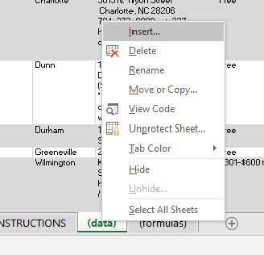
INSTRUCTIONS

 | Editing the Excel
 |  | To edit any "Sheet" (tab along the bottom), you have to "unprotect" it. Do so by right-clicking a sheet such as the "(data)" sheet. Then select "Unprotect sheet" and type in the password "edit". See "Adding to the list of resources" for instructions on modifying the "(data)" Sheet.
edit

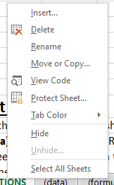
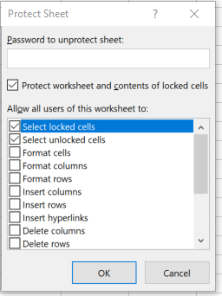
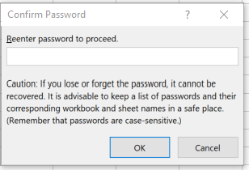
 |  | Once you are done editing, right-click on the sheet name again and click "Protect sheet". Then, enter "edit" as the password (**if you type in something besides "edit", then that will be the new password to unprotect the Sheet**) Do not change the selections of check-boxes You will have to enter this password again to confirm.
edit
edit

 |  | Do NOT edit the "RESOURCE LIST" sheet.
 |  | Edit the "(data)" sheet instead. The Resource List sheet simply shows filtered versions of the (data) sheet, it does not contain the actual data. (this is why the cells in the Resource List contain the "index" command.

 |  | **IMPORTANT** : When adding information please remember the following…
 |  | 1) | Make sure the content EXACTLY matches the options in the drop down list
 |  |  |  | Ex: If you type "no cost" instead of "Free" for New Treatment Center, then the New Treatment Center will not appear when "Free" is selected from the Cost drop down list on the "RESOURCE LIST" sheet

 |  | 2) | When editing or deleting cells on the "(data)" tab, DO NOT COPY or PASTE or DELETE any whole cell because this confuses the code for the drop down list in the "Resource List" sheet. Instead, click the cell, and then go to the top of Excel where you can see the text contents, and make the necessary changes there. Hint: press *alt+enter* to move down a line within a cell

 | Understanding the code that makes this all work

 |  | In the "(formulas)" sheet, there are 3 columns of data. The 1st column simply says the rows that we want to interact with. Ex: "=ROWS('(data)'!$D$2:D2)" The 2nd column is more complicated…

 |  |  | The basics… |  | Here's a break down of the code…
 |  |  | it says ... =IF(AND(OR('RESOURCE LIST'!$E$1=$Z$21,'RESOURCE LIST'!$E$1='(data)'!E2),OR('RESOURCE LIST'!$F$1=$AA$21,'RESOURCE LIST'!$F$1='(data)'!D2),OR('RESOURCE LIST'!$G$1=$AB$21,'RESOURCE LIST'!$G$1='(data)'!G2),OR('RESOURCE LIST'!$D$1=$Y$21,'RESOURCE LIST'!$D$1='(data)'!H2),OR('RESOURCE LIST'!$I$1=$AD$21,'RESOURCE LIST'!$I$1='(data)'!I2),OR('RESOURCE LIST'!$J$1=$AE$21,'RESOURCE LIST'!$J$1='(data)'!J2)),'(formulas)'!A2,"") What is is doing is comparing each cell in the (data) sheet to see if it matches the selection being made at the top of the resource list. In other words, we want to display the row of data (ex: everything we know about Anuvia) but only if the cost of Anuvia matches the selection made in the Cost dropdown on the top of the Resource List sheet. If Anuvia is not faith based but we selected "yes" under the Faith Based menu option, then we don't want Anuvia to show up. This code says that if EVERY selection of the drop-down menu matches the description of the (data) row, then it will print the number for the row in this second column on the Formulas tab. |  | The IF command basically say "if all of the following are true, then print the value from the 1st column under the formuluas tab, otherwise print nothing". The AND command is actually the part of the above IF statement that just means "all" of the following criteria must be true. The color coded sections below each refer to a set of criteria that you select with the drop down menus on the Resource List. Gender: if the gender drop down option just says Gender (meaning the drop down option was not selected), OR if the option selected matches the contents of the row in the (data) section, then this section in green is considered "true". Cost: if the cost drop down option just says Cost (meaning the drop down option was not selected), OR if the option selected matches the contents of the row in the (data) section, then this section in red is considered "true". Faith: if the faith based drop down option just says Faith Based (meaning the drop down option was not selected), OR if the option selected matches the contents of the row in the (data) section, then this section in blue is considered "true". Duration: if the duration drop down option just says Duration (meaning the drop down option was not selected), OR if the option selected matches the contents of the row in the (data) section, then this section in purple is considered "true". State Licensed: if the state licensed drop down option just says State Licensed (meaning the drop down option was not selected), OR if the option selected matches the contents of the row in the (data) section, then this section in burgundy is considered "true". Methadone/Suboxone: if the methadone/suboxone drop down option just says Methadone/Suboxone (meaning the drop down option was not selected), OR if the option selected matches the contents of the row in the (data) section, then this section in orange is considered "true". The OR statements allow us to say the criteria is "true" whether the drop down option is essentailly left unus

 |  | The 3rd column in (formulus) simply reorganizes the data from the 2nd column. Without this column, the contents in the Resource List would have a bunch of blank rows (one for each row in the data sheet that failed to match the selected options in the Resource List sheet drop down menus.

 |  | In the Resource List sheet, the cells below the thick black line contain the code that says, "consider the data inside the area between cells A2 and i1119. If the value of column 3 in the Formulas sheet is True (contains a number), then print the data here on the Resource List sheet. Otherwise, print nothing in this cell of the Resource List sheet."

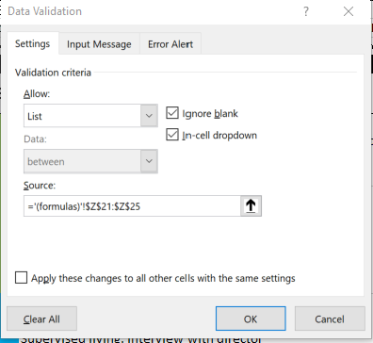
 |  |  | It says =IFERROR(INDEX('(data)'!$A$2:$I$1119,'(formulas)'!$C2,COLUMNS('(formulas)'!$L$3:L3)),"")

 |  | The Drop down menus in the Resource List are created using the Data Validation menu. If you want to create a new drop down menu or edit an existing one, simply select the cell where you want the menu to be, click Data Validation and then, under the Settings tab, select List under Allow. Under Source, click the up-pointing arrow symbol, then select the data options that you want to be in the drop down list (in the picture to the right, the drop down list will contain whatever is typed in column Z, rows 21-25 in the Formulus sheet). Click OK and the drop down menu will appear in the originally selected cell. To edit the contents of the existing drop down menus, simply follow the above steps and edit the text that is referenced in the rows (21-25 in the scenario above).

